Project Plan.

 |  | Company X Project Planning

ID | Activity or the task to be performed. | The Goal to be achieved. | Start Date. | End Date. | The Required Period. | Assigned Dep/Personnel | Comment
1 | Project Initiation and Scope Management.
1.1 | Define Project Scope and the security objectives. | · We need to specify the project objectives and goals. 1-To enhance the organization security posture. 2-To implemet policies and procedures that are aligned with the regulations. 3-And increase the awarness in the organiztion. 4-asure on protecting the organization main security objectives such as the CIA. · Define the scope of project by creating scope project statement and meating with the involved parties to create as a road map for the project.. | 2023-08-10 | 2023-08-17 | One Week. | PMO which is the Project management office. | The policies and the procedures will be created in the second pahse which is the planning phase and the awarness which is the responsibillity of the HR committee in phase Three which is the Implementation and the awarness phase.
Here are the stakeholders and their roles as well as the main committes in the organization.
1.2 | Define the Stakeholders and their roles. | 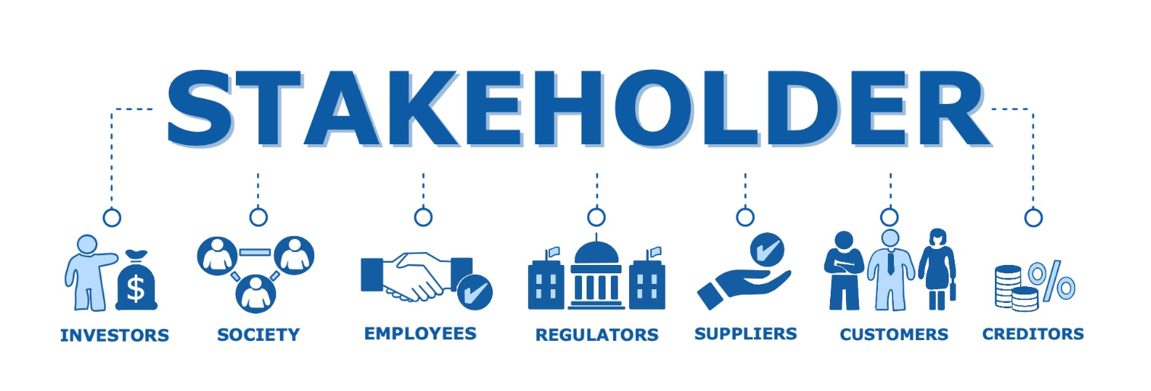 We want to ensure that every entity in the organization is assigned a specific role to work as one entity and achieved the desired goal of the organization. | 2023-08-20 | 2023-08-22 | Two days. | PMO which is the Project management office | None.
1.3 | Get the approval on the project form from the project manager and project sponsor. | to move from planning to the execution of the project such as performing risk assessment, implementing controls and monitor the controls after they are implemented. | 2023-08-23 | 2023-08-23 | within the same day | PMO which is the Project management office | None.
2 | Project Planning, tracking and risk management.
2.1 | Specify the security needs and apply the analysis in order to achieve the CIA in the organization. | We need to ensure that the CIA is achieved by ensuring that the sensitive data is only accessed by the authorized individuals, the data won't be modified unless by the authorized individuals as well as the services and the data must be available in a timely manner. | 2023-08-23 | 2023-08-24 | Two days from getting the approval. | InfoSec Department. | it's an important step to starts with in order to identify the main security objectives as a baseline for the organization in order to be able to identify the threats and the point that might be attracted by the attackers.
2.2 | Identify the risk, create the risk management and IR plan as well as identify the potential impact. | It aims to improve the security posture by identifying the risk and any unwanted event in order to implement the appropriate security control, as well as prioritize those threats based on their severity in order to mitigate the most severe ones and establish IRP in order to decide how to deal in the case of the incident which is part from the continguincy planning to ensure on the continuity of the business. | 2023-08-27 | 2023-09-03 | One Week. | InfoSec Department. | None.
2.3 | Ensure on the Business Continuity . | make sure the business operations to continue by moving from the primary to the alternate site in the case of crisis and try to reallocate the business operation in the primary site this is achieved by the disaster recovery planning AKA DRP by using the Aqaba site. | 2023-09-03 | 2023-09-05 | Three Days. | InfoSec Department. | None.
ISMS Requirements
2.4 | Implement an ISMS requirements. | It Provides a structured and systematic approach to improve overall performance within the domain it covers, by establishing best practice and principles so it will lead to achive better outcomes and maintain a competitive advantage. | 2023-09-05 | 2023-11-05 | Two Months. | InfoSec Department. | The success of implementing ISMS depends on ongoing commitment to improvement and it focuses on the organization goals, it will be implemented twice once for the IT and the other is for the infosec department.
3 | Project Implementation and Security Awareness.
3.1 | Implementing physical security measures | creating physical barries to protect the facility from intruders, using physical security best practices by educating the employees and limiting facility access etc.., for creating a secure environment that enables the organization to operate confidently and minimize the potential risks and impact of security threats. | 2023-11-05 | 2023-11-07 | Three Days. | ISSM which is the Information System Security Managers. | physical security is considered as the first line of diffence to deter intruders from getting into facility which makes it an important step to start with in the implementation phase in order to move to the implementation of the logocal controls.
3.2 | Enhancement of digital security. | Impleminting robust acsses controls, advanced firewalls, and encryption protocols in order to fortify the organization cyber security measures, safeguarding sensitive data, digital assets, and critical systems from potential threats and vulnerabilities. | 2023-11-07 | 2023-11-09 | Three Days. | IT Department. | Such as implementing the firewalls and IDs.
3.3 | Conduct security education and awareness training programs. | Educating employees to understand, identify, and avoid cyber threats, in order to prevent or mitigate the harm to both the organization and the stakeholders, By leveraging the resources and expertise of organizations like the NCA and SETA, the organization can strengthen the cybersecurity education efforts, create a security-aware culture, and better protect itself and the stakeholders from cyber threats. | 2023-11-09 | 2023-11-09 | One Day. | HR, IT Departments. | The National Cybersecurity Agent (NCA) and the Security Education and Training Association (SETA) are important entities that play a significant role in promoting cybersecurity education and awareness, it should be conducted every 2-3 months.
3.4 | Hardening the network infrastructure and services. | Enhance cybersecurity posture of the organization and protect its digital assets, data, and critical systems from cyber threats and attacks. In addition to that, establishing e resilient and secure digital environment and implementing a strong defence against evolving cyber threats. | 2023-11-12 | 2023-11-13 | Two Days. | IT Department. | Its an continuous process that involves monitoring,regular updates,and proactive measures to stay ahead of potential risks and vulnerabiliteis.
3.5 | Train the IR team and conduct a penteration testing process. | Training the IR team equips them with the necessary skills and knowledge to respond promptly and effectively to cybersecurity incidents. They can quickly identify, contain, and remediate security breaches, minimizing the impact on the organization.While Penetration testing helps the IR team gain real-world experience by simulating cyber attacks. This experience enhances their ability to handle different types of incidents and adapt their response strategies accordingly. | 2023-11-13 | 2023-11-27 | One to Two weeks based on our environment it takes two weeks. | IT Department. | By conducting penetration testing, the IR team can identify vulnerabilities and weaknesses in the organization's systems and networks, which makes penteration testing curcial component to the IR Team.
4 | Monitoring and Optimazation.
4.1 | Continuos monitoring security system and analyze security logs. | We need to monitor the users activity continuosly in order to detect any potential incident that might affect the organization and its assets. | There is no specific period for monitoring the logs should be on daily basis monitored in order to block any suspecious artifact. |  |  | SOC Team and infosec department | This is mainly related to the SOC team by triggering alerts when an incident appear to the Security analyst in order to handle it.
4.2 | Patch management. | Patch management is required in order to make sure that the codes that are established by the software vendors up to date with the current software which those codes are used to handle crashes and security bugs. | 2023-11-27 | 2023-11-28 | Two days. | IT department | This step is important and required and should be done for each 3-4 months.
4.3 | Review and update the security policies. | this step is required in order to ensure on compliance with the emerging threats and the best security practices. | 2023-11-28 | 2023-11-30 | Three Days. | InfoSec Department. | None.
5 | Project Closure.
5.1 | Conduct a final security assessment. | In order to evaluate the effieciency after implementing the controls to ensure that all is going as planned to. | 2023-12-03 | 2023-12-10 | One Week. | InfoSec Department. | None.
5.2 | Review Project Expenditures. | In order to ensure that all the project expenditures against the budget and ensure all the financials are settled. | 2023-12-10 | 2023-12-11 | Two Days. | Finance Department. | None.
5.3 | Conduct a final Project meeting. | In order to communicate the project closure to the relevant parties and the stakeholders. | 2023-12-11 | 2023-12-11 | within the same day | All the involved departments | None.

